Sheet1
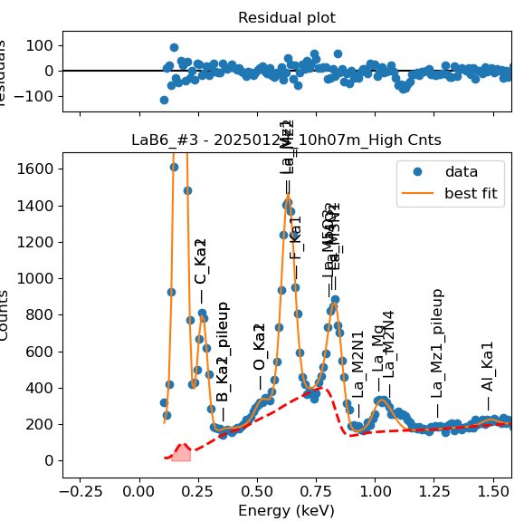
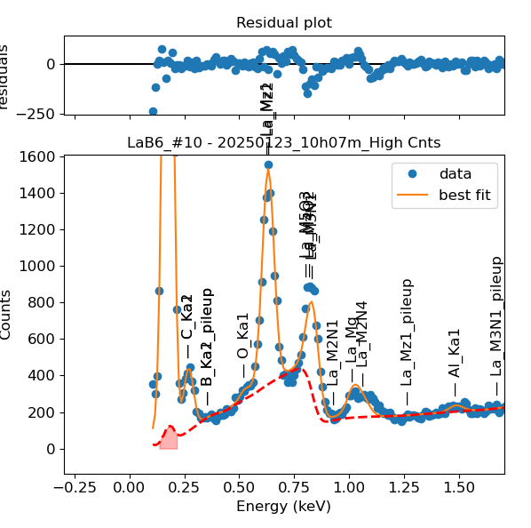
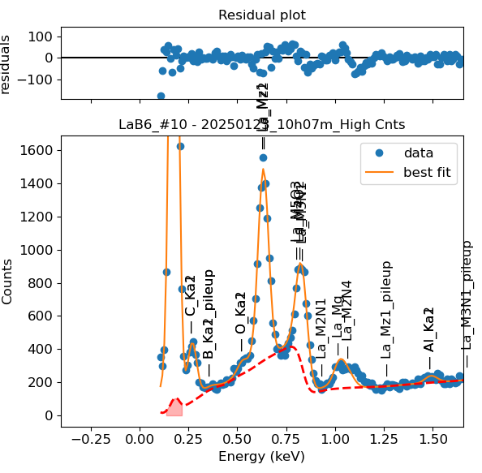
Weights calibrated measuring a pure LaB6 standard, bulk, polished |  |  |  |  |  |  |  |  |  |  | Weights unchanged
Area of all peaks is fitted |  |  |  |  |  |  |  |  |  |  | Weights changed
A constant shift is maintained across all peaks
Sigma is fixed for all peaks

Had to separate the peak fitting in two groups, otherwise it would not fit
La |  | Meas 1 | Meas 2 | Meas 3 | Meas 4 | Meas 5 | Meas 6 | Meas 7 | Meas 8 | Meas 9 | Meas 10
Mz1 |  | 67.402 | 66.7 | 68.409 | 65.62 | 66.059 | 70.293 | 67.348 | 69.292 | 70.181 | 69.641
M5O3 |  | 0 | 0.315 | 0.139 | 0 | 0 | 0.01 | 0.002 | 0.002 | 0 | 0
M4O2 |  | 20.985 | 10.218 | 4.968 | 12.186 | 13.537 | 25.905 | 19.307 | 31.73 | 14.185 | 24.374
M3N1 |  | 20.781 | 33.755 | 35.631 | 27.996 | 30.614 | 18.911 | 23.728 | 11.877 | 29.714 | 18.554
Mz1 | Looked fine with NIST calibration
M2N1 | Looked fine with NIST calibration
Mg | Looked fine with NIST calibration
M2N4 | Looked fine with NIST calibration

Line | Original w | Meas 1 | Meas 2 | Meas 3 | Meas 4 | Meas 5 | Meas 6 | Meas 7 | Meas 8 | Meas 9 | Meas 10 | Mean | Stdev | Er (%)
Mz1 | 1 | 1.0000 | 1.0000 | 1.0000 | 1.0000 | 1.0000 | 1.0000 | 1.0000 | 1.0000 | 1.0000 | 1.0000 | 1.0000
M5O3 | 2.62E-04 | 0.0000 | 0.0047 | 0.0020 | 0.0000 | 0.0000 | 0.0001 | 0.0000 | 0.0000 | 0.0000 | 0.0000 | 0.0007 | 0.0015 | 222.82
M4O2 | 2.59E-03 | 0.3113 | 0.1532 | 0.0726 | 0.1857 | 0.2049 | 0.3685 | 0.2867 | 0.4579 | 0.2021 | 0.3500 | 0.2593 | 0.1159 | 44.68
M3N1 | 4.84E-01 | 0.3083 | 0.5061 | 0.5209 | 0.4266 | 0.4634 | 0.2690 | 0.3523 | 0.1714 | 0.4234 | 0.2664 | 0.3708 | 0.1157 | 31.21
M5O3 + M4O2 + M3N1 | 0.4869 | 0.6197 | 0.6640 | 0.5955 | 0.6123 | 0.6684 | 0.6377 | 0.6390 | 0.6294 | 0.6255 | 0.6164 | 0.6308 | 0.0225 | 3.57
M2N1
Mg
M2N4

Fits whose peak areas vary, but whose sum is almost cosntant:
So we use the original ratios to diustribute the sum among the peaks, giving:

M5O3 + M4O2 + M3N1 | M5O3 | M4O2 | M3N1 | Sum
Original ratio | 0.0005 | 0.0053 | 0.9941
Resulting weights: | 0.0003 | 0.0034 | 0.6271 | 0.6308

 |  | Without fixing the peaks above: |  |  |  |  |  |  |  |  | Fixing the peaks:

